Deployment Plan
Installation Procedure:

Assumptions:

 | The following pre-requistes below are available in the server before executing the deployment plan for VCP RICEF Object.

 |  | 1. The /home/nbtydata directory must have a permission of READ, WRITE & EXECUTE.

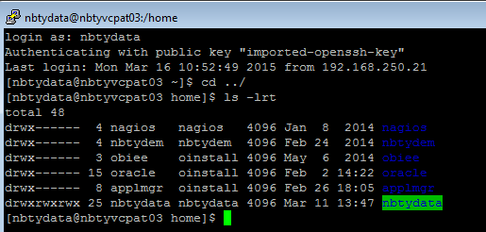

 |  | 2. This object NBTY DM Forecast Export to ASCP has been deployed in the server already.

 |  | 3. The server must have $XXNBTY_TOP directory. This is environment variable that defines the top-level directory for a given Oracle Application/product.
 |  | To check the $XXNBTY_TOP directory execute the command below in the server.

 |  |  | cd $XXNBTY_TOP
 |  |  | pwd

 |  | 4. In the $XXNBTY_TOP directory the following subdirectories must available in the server with READ, WRITE & EXECUTE permission.

 |  |  | cd $XXNBTY_TOP/bin

 |  |  | cd $XXNBTY_TOP/sql

 |  |  | cd $XXNBTY_TOP/admin/import

 |  |  | cd $XXNBTY_TOP/admin/sql

 |  |  | cd $XXNBTY_TOP/data/tmp

 |  |  | cd $XXNBTY_TOP/data/in/arch

 |  | 5. The user must have Application Developer Responsibility.

1. Upload folders and program files in the server.

 | 1.1 Copy zip file.

 | 1.2 Save and extract the zip file in your local directory.

 | 1.3 Login into WINSCP application.

 | 1.4 Open 'VCP_release1' directory.

 | 1.5 Drag and drop all ' The VCP_RICEFW folder' into /home/nbtydata directory of the server instance.

 |  | NOTE: Make sure that the Transfer Settings of WINSCP is Binary.

 | 1.6 Open 'Unix Script and Control Files' > drag and drop all files into /u01/oracle/apps/apps_st/appl/xxnbty/12.0.0/bin.
 |  | NOTE: Make sure that the Transfer Settings of WINSCP is Binary.

 | 1.7 Open 'Packages' > drag and drop all files into /u01/oracle/apps/apps_st/appl/xxnbty/12.0.0/admin/sql
 |  | NOTE: Make sure that the Transfer Settings of WINSCP is Binary.

 | 1.8 Open 'SQL Files' > drag and drop all Create Table sql files into /u01/oracle/apps/apps_st/appl/xxnbty/12.0.0/sql
 |  | NOTE: Make sure that the Transfer Settings of WINSCP is Binary.

 | 1.8 Open 'FND Files' > drag and drop all FND files into /u01/oracle/apps/apps_st/appl/xxnbty/12.0.0/admin/import
 |  | NOTE: Make sure that the Transfer Settings of WINSCP is Binary.

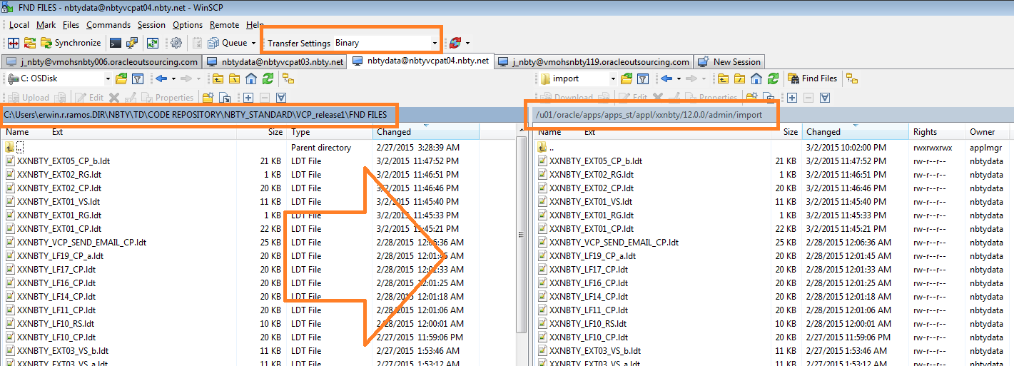

2. Execute the deployment script and grant command

 | 2.1 Login into UNIX application.

 | 2.2 Navigate to VCP_RICEFW directory.
 |  | COMMAND:
 |  | cd /home/nbtydata/VCP_RICEFW

 | 2.3 Change permission of VCP_deployment_script.sh file.
 |  | COMMAND:
 |  | chmod 777 VCP_batch_deployment.sh

 | 2.4 Execute the dos2unix command for VCP_deployment_script.sh file.
 |  | COMMAND:
 |  | dos2unix VCP_batch_deployment.sh

 | 2.5 Execute unix script then enter username and password.
 |  | COMMAND:
 |  | ./VCP_batch_deployment.sh

 | 2.5 Execute Grant command.

 |  | 2.5.1 OPEN SQL Developer

 |  | 2.5.2. Connect to VCP server Environment using APPS user with GRANT Privilege.

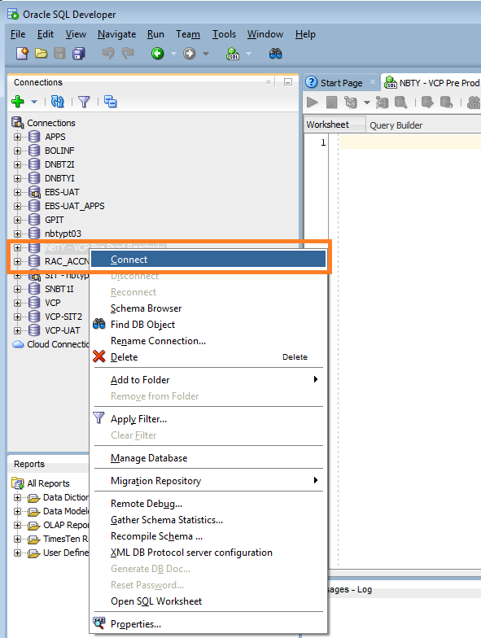

 |  | 2.5.3. Open the sql script for grant in the SQL Developer.
 |  |  | You may see the grant script in the VCP_release1 --> Grant command

 |  |  | GRANT script:
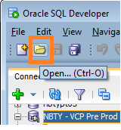

 |  | 2.5.4. Click Run Script in the SQL Developer.

 |  |  | NOTE: The user must have GRANT Privilege to execute the command.
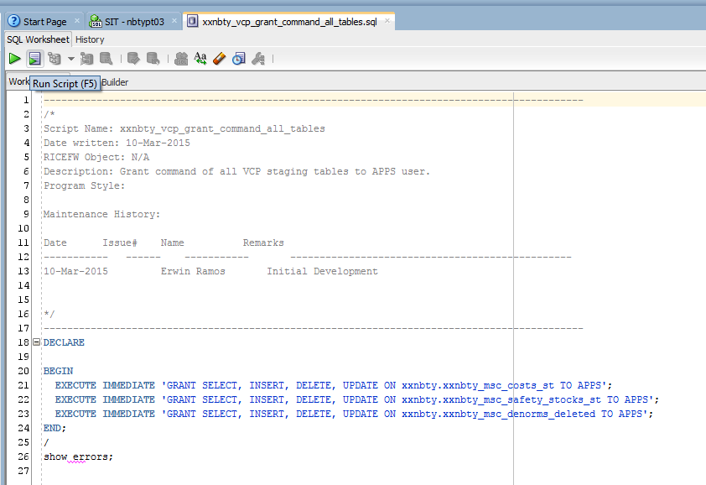

3. Validate the program into frontend and database.

 | 3.1 Login into oracle application

 | 3.2 Click on System Administrator > Concurrent > Program > Define

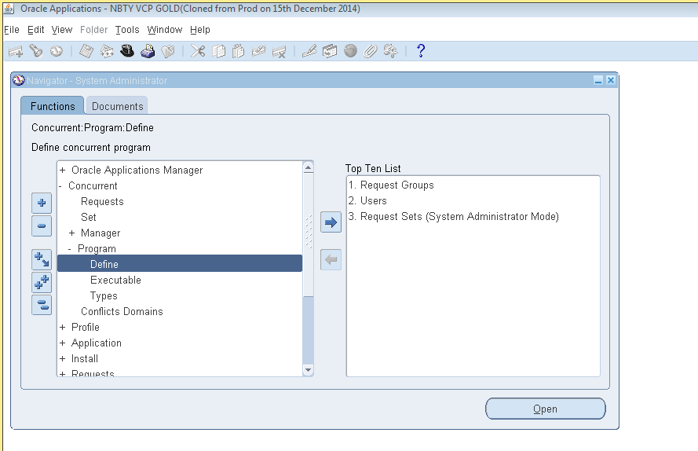

 | 3.3 Click on F11 to search the following program below.

 |  | XXNBTY Customer EXT for Demantra program
 |  | XXNBTY Item Description
 |  | XXNBTY Past Due Forecast Spreading
 |  | XXNBTY VCP Process Error Log
 |  | XXNBTY VCP Send Email Log
 |  | XXNBTY In Transit Supplies
 |  | XXNBTY Item Cost Merge Files
 |  | XXNBTY On Hand Supplies
 |  | XXNBTY Safety Stocks Generate Error Report
 |  | XXNBTY Safety Stocks Generate Report
 |  | XXNBTY Safety Stocks Load Program
 |  | XXNBTY Safety Stocks Validate Program
 |  | XXNBTY Sales Order
 |  | XXNBTY WIP Component Demand
 |  | XXNBTY Work Order Supplies

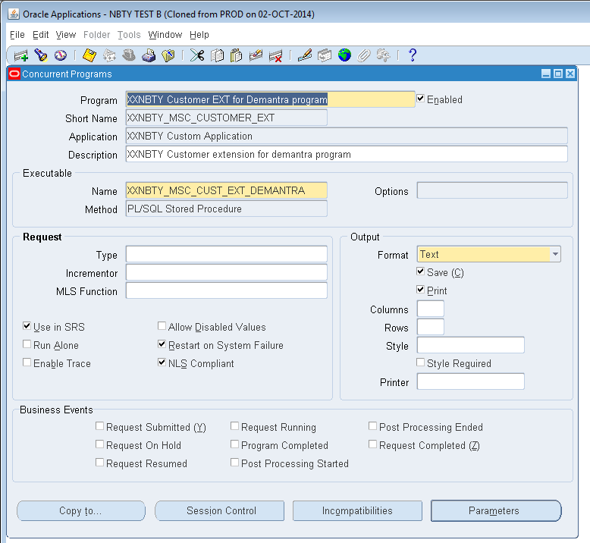
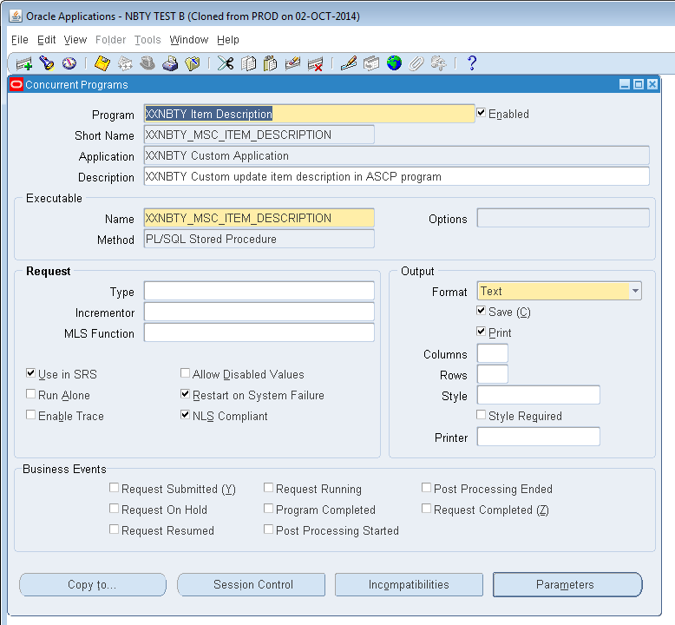

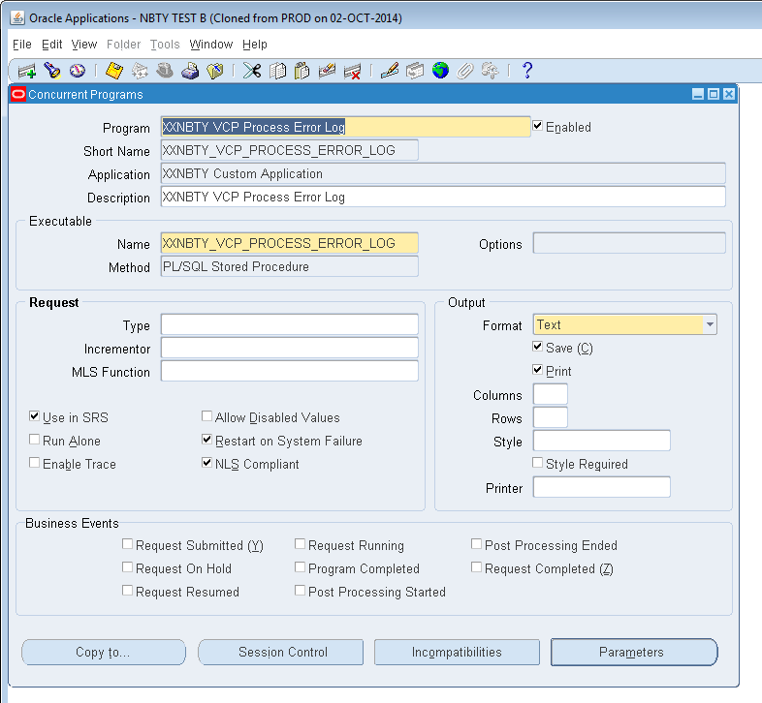
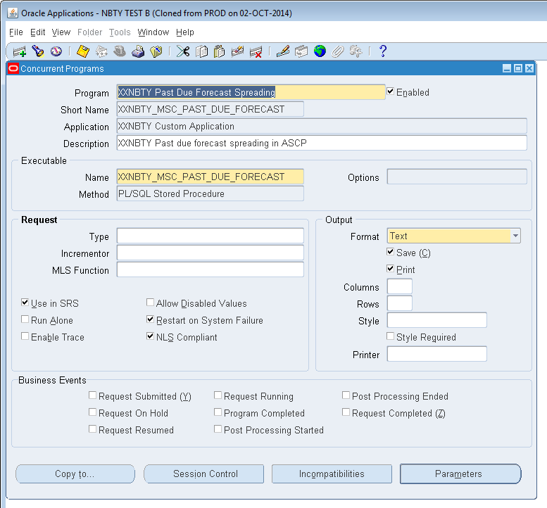

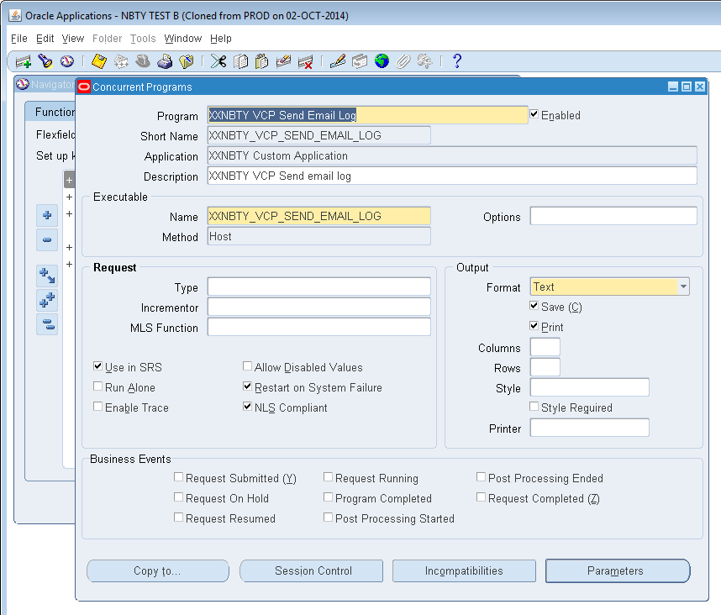
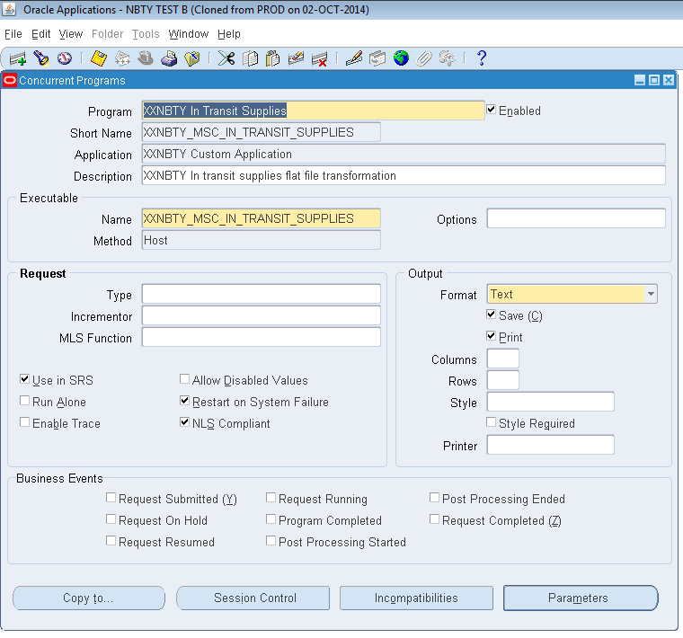

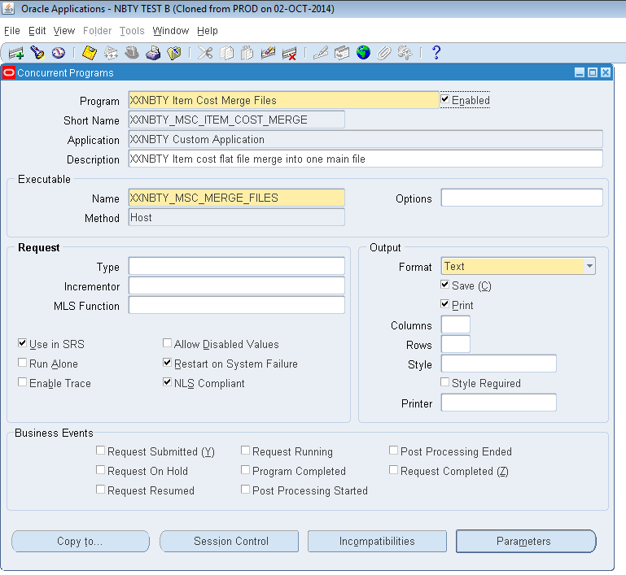
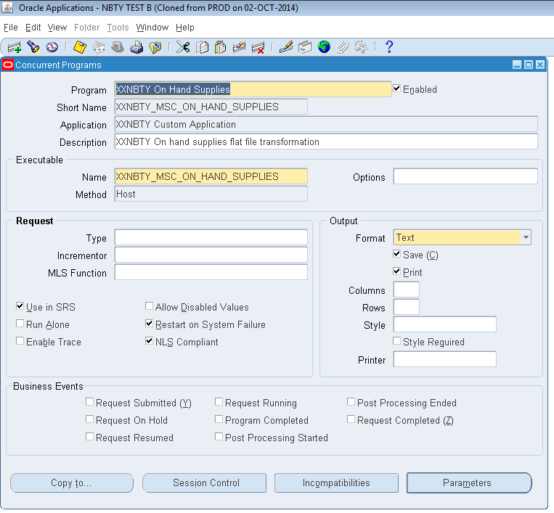

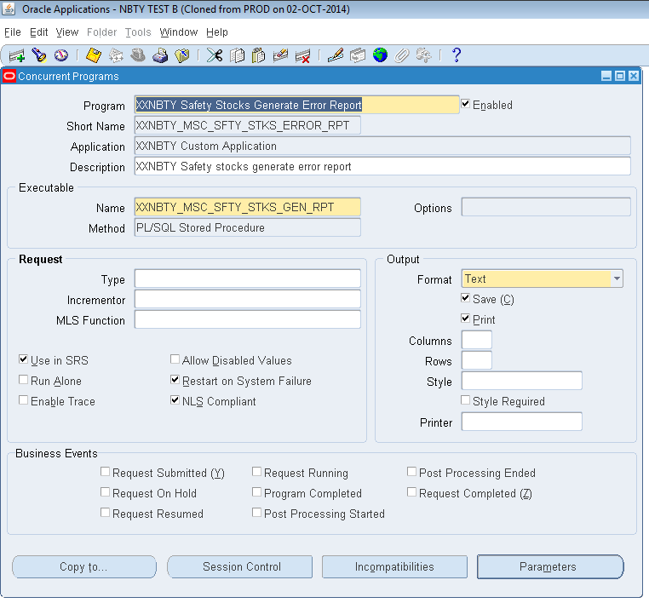
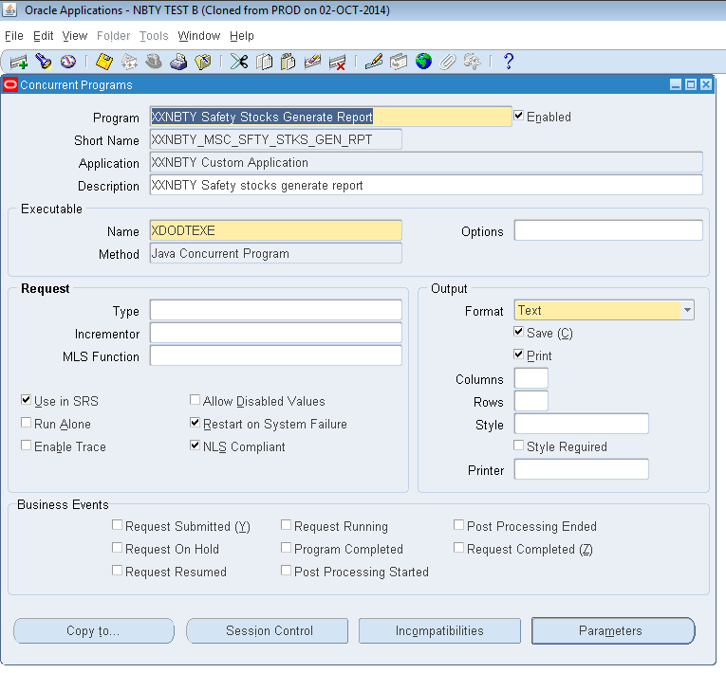

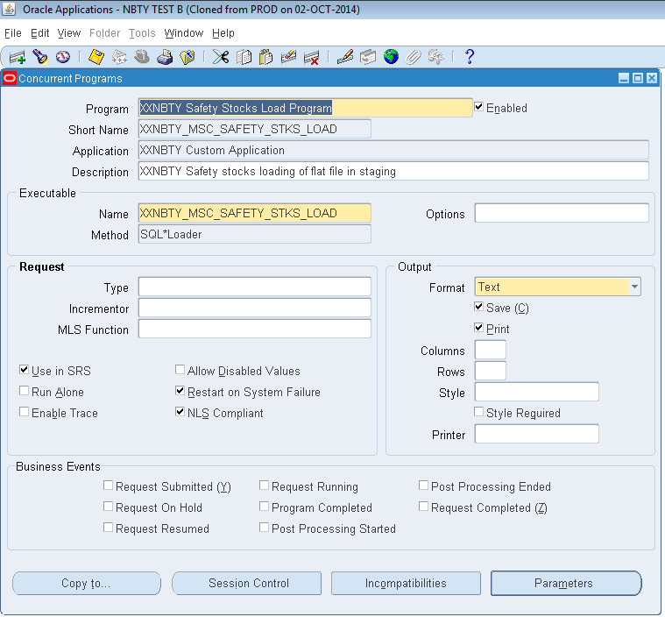
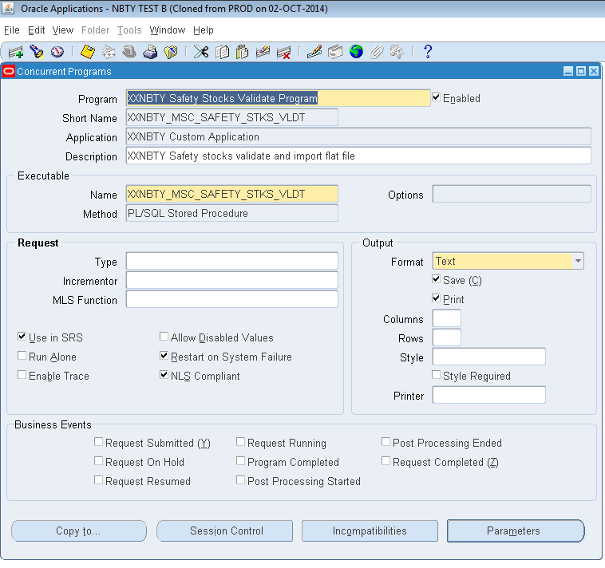

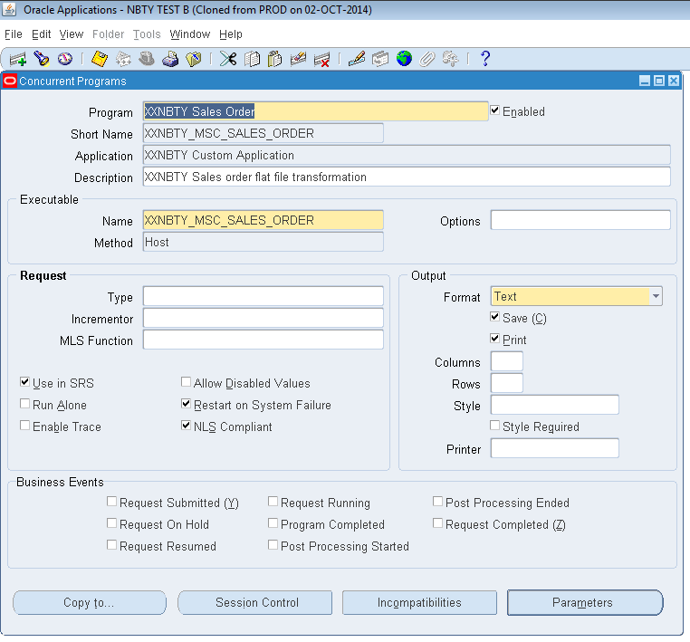
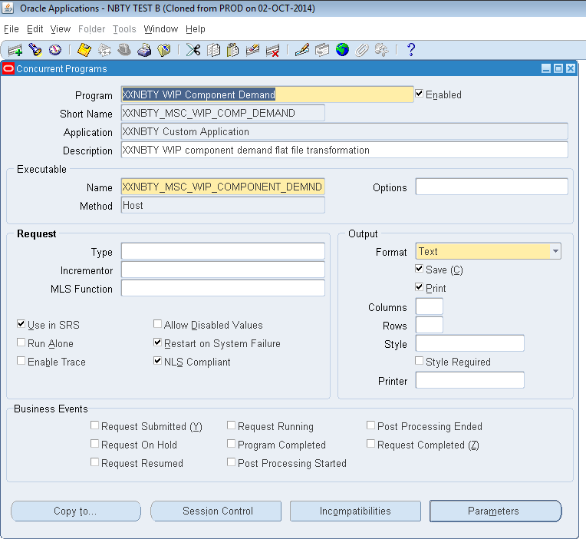

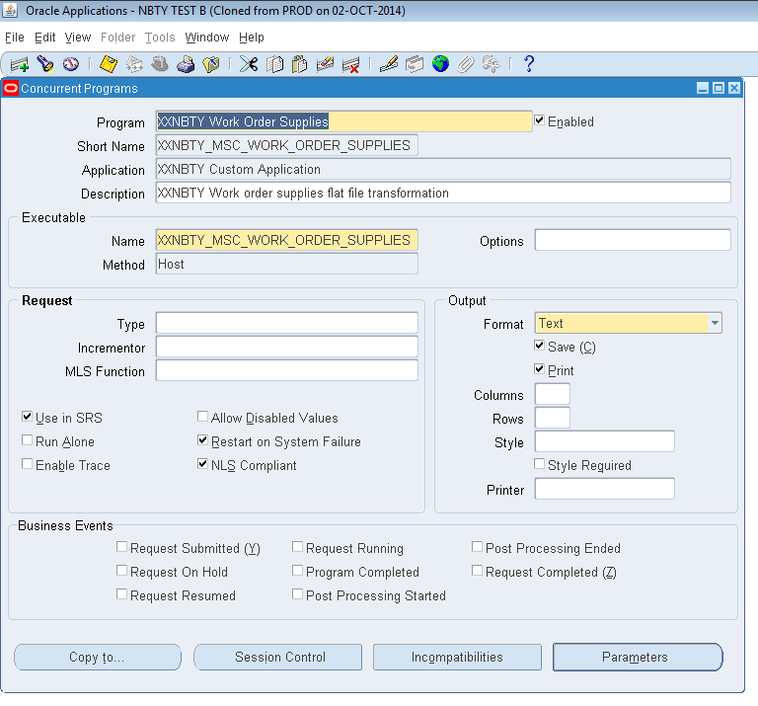

 | 3.4 On the same responsibility go to > Application > Validation > Set
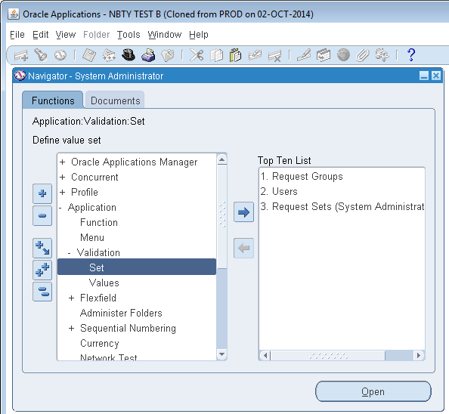

 |  | Search for the following Value sets below:

 |  |  | XXNBTY_MSC_REPROCESS
 |  |  | XXNBTY_ALLOW_SEND
 |  |  | XXNBTY_RICEFW_VCP
 |  |  | XXNBTY_MSC_FORECAST_CALENDAR
 |  |  | XXNBTY_MSC_BUCKET_TYPE

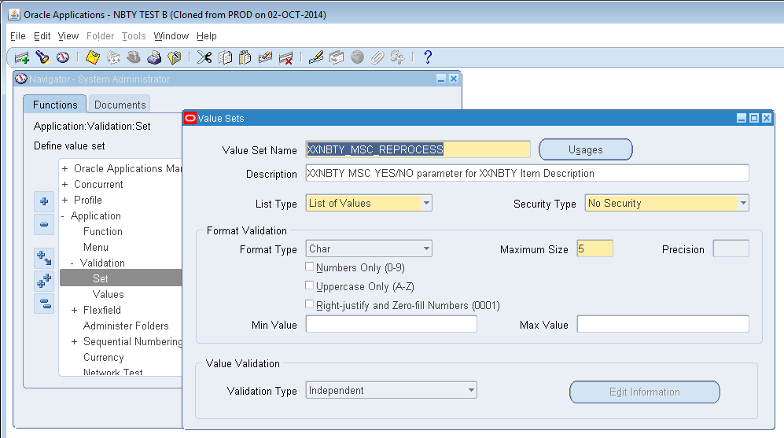
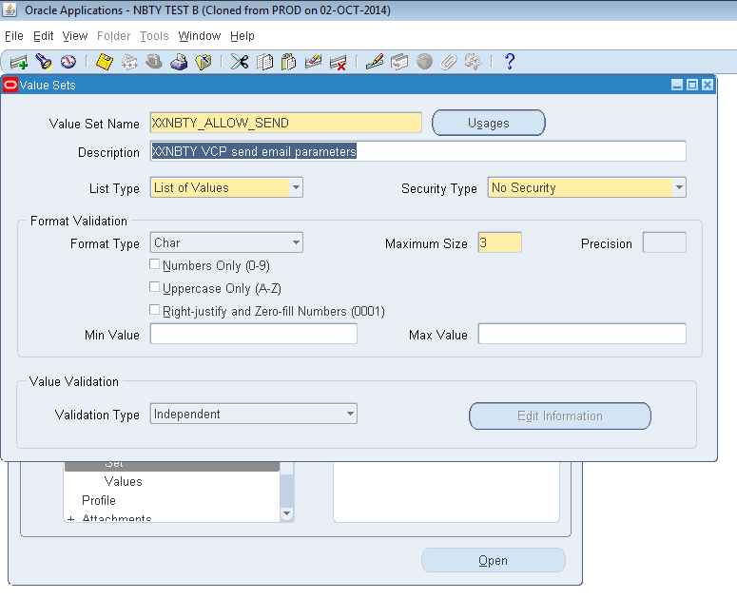

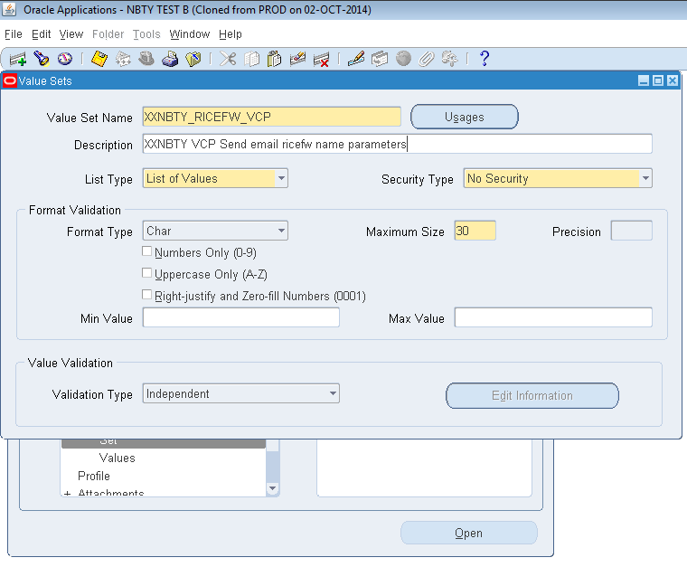
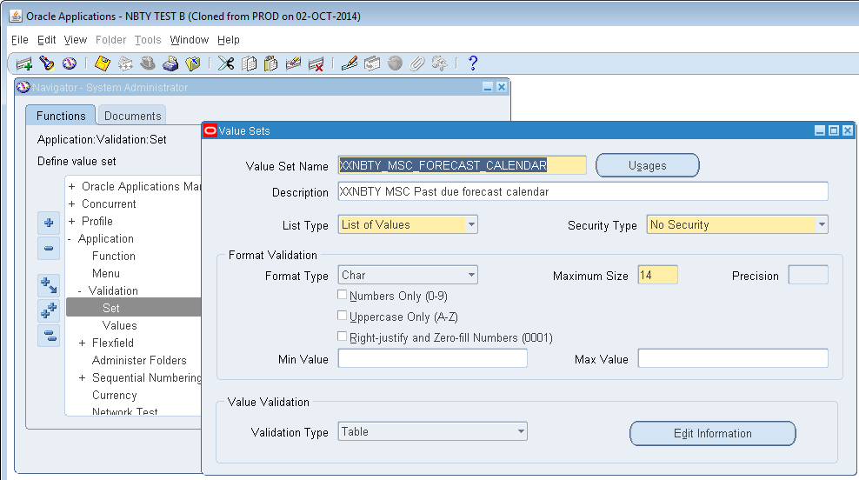

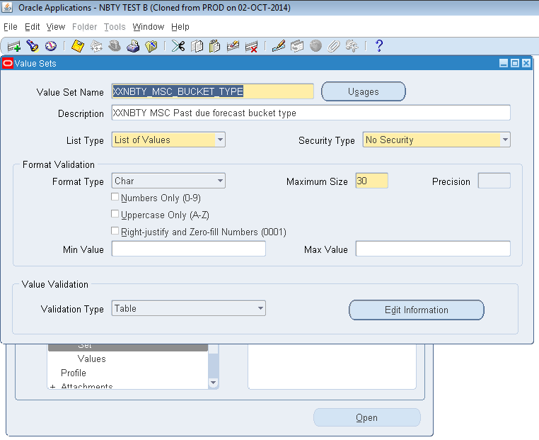

 | 3.5 On the same responsibility go to Lookups > Common

 |  | Search for the following Look ups below:

 |  |  | XXNBTY_MSC_SAFETY_STKS_ERR_EML

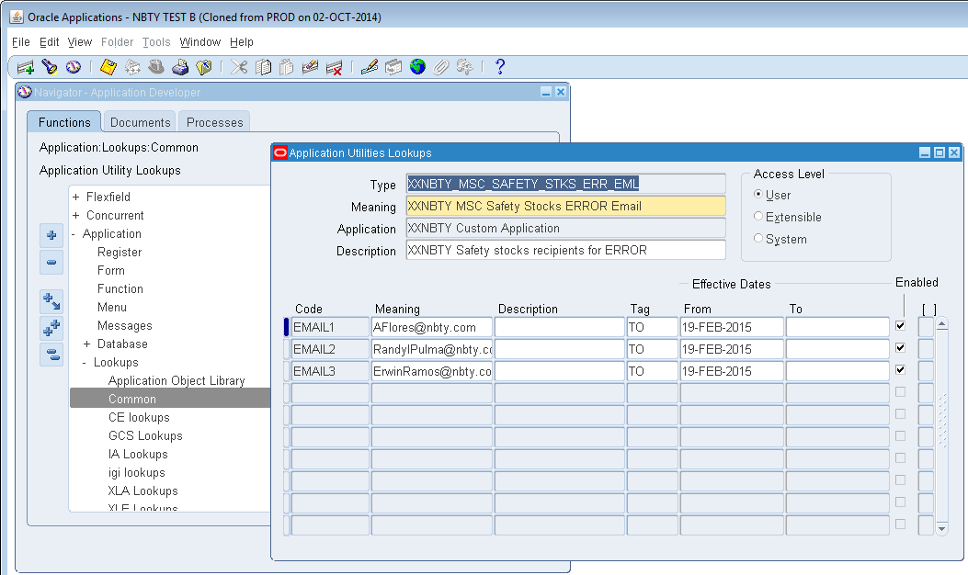

 |  |  | XXNBTY_MSC_SAFETY_STOCKS_EMAIL

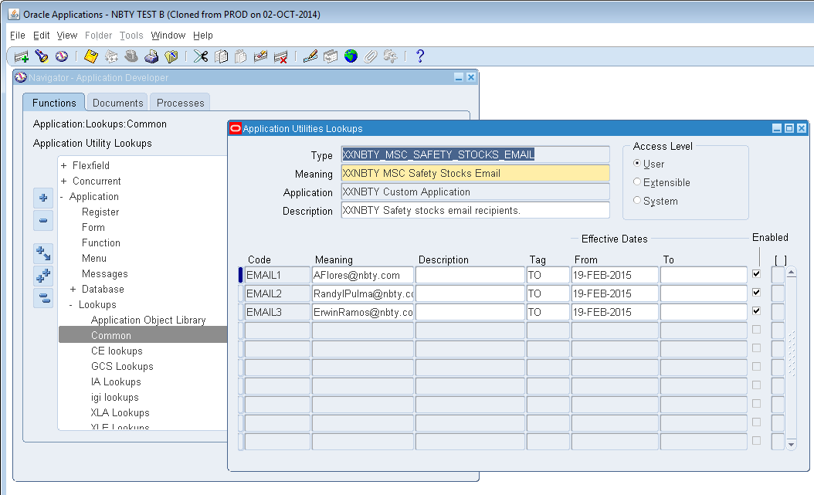

 |  |  | XXNBTY_VCP_COLL_REP_ADD_LKP



 | 3.6 Change responsibility to Advanced Chain Supply Planner > Other > Requests > Submit a New Request > Request Set > Ok > Check the request sets in the LOV.
 |  | Check the following programs:

 |  |  | XXNBTY Daily Planning Request Set – MRP
 |  |  | XXNBTY Planning Request Set - MPS AND MRP
 |  |  | XXNBTY Monthly Planning Request Set - MRP
 |  |  | XXNBTY Weekly Planning Request Set - MRP
 |  |  | XXNBTY Monthly Planning Request Set - MPS
 |  |  | XXNBTY Weekly Planning Request Set – MPS
 |  |  | XXNBTY MSC In Transit Supplies Request Set
 |  |  | XXNBTY MSC Item Cost Request Set
 |  |  | XXNBTY MSC On Hand Supplies Request Set
 |  |  | XXNBTY MSC Safety Stocks Request Set
 |  |  | XXNBTY MSC Sales Order Request Set
 |  |  | XXNBTY MSC WIP Component Demand Request Set
 |  |  | XXNBTY MSC Work Order Supplies Request Set

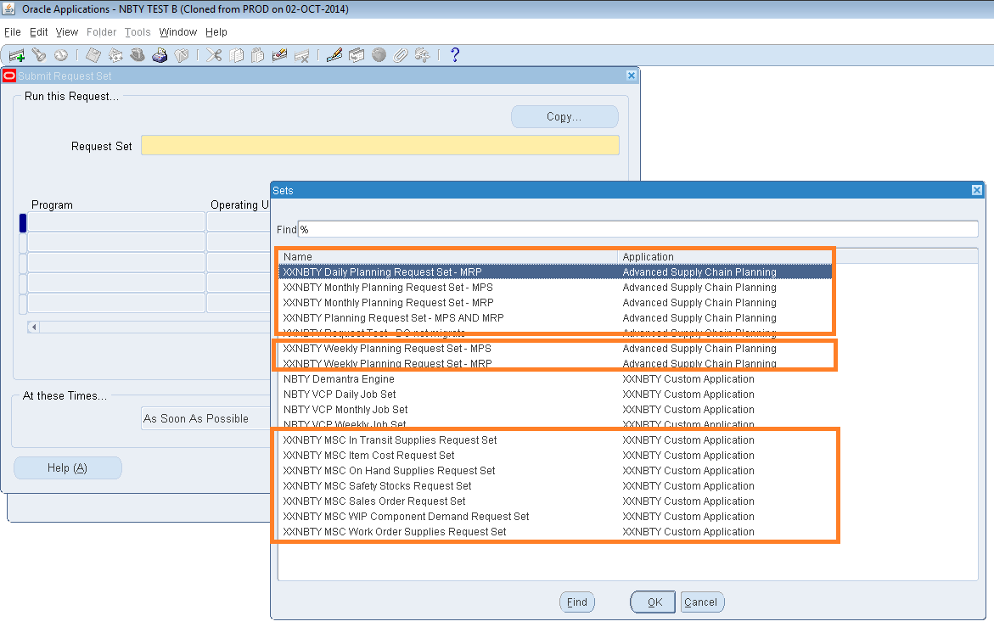

 | 3.7 Change responsibility to Advanced Chain Supply Planner > Other > Requests > Submit a New Request > Single Request > Ok > Check the single request in the LOV.
 |  | Check the following programs:

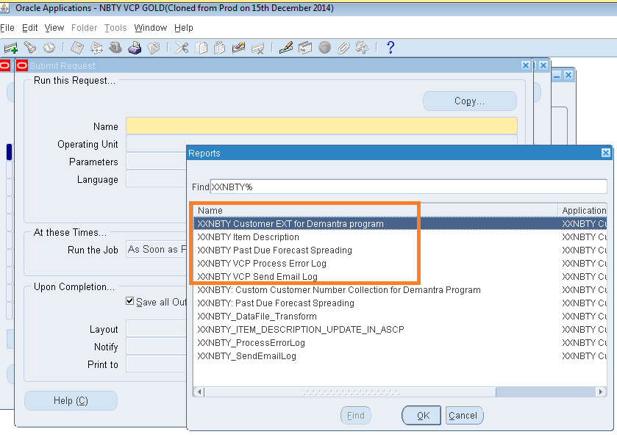

 | 3.8 Check tables and packages in the database.
 |  | Open sql developer > expand the tables and Packages. Check the following tables and packages:

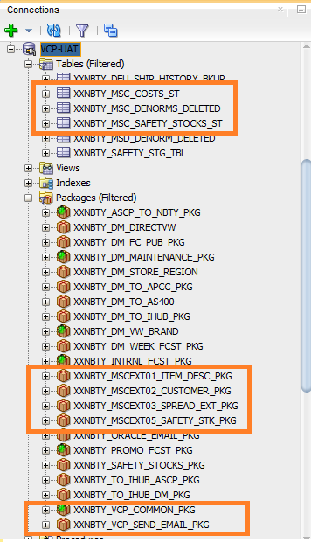
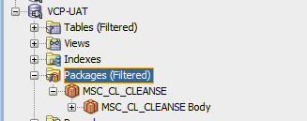
 |  | TABLES:
 |  |  | xxnbty_msc_costs_st
 |  |  | xxnbty_msc_safety_stocks_st
 |  |  | xxnbty_msc_spread_denorms

 |  | PACKAGE:
 |  |  | MSC_CL_CLEANSE
 |  |  | XXNBTY_MSCEXT01_ITEM_DESC_PKG
 |  |  | XXNBTY_MSCEXT02_CUSTOMER_PKG
 |  |  | XXNBTY_MSCEXT03_SPREAD_EXT_PKG
 |  |  | XXNBTY_MSCEXT05_SAFETY_STK_PKG
 |  |  | XXNBTY_VCP_SEND_EMAIL_PKG

